COVER
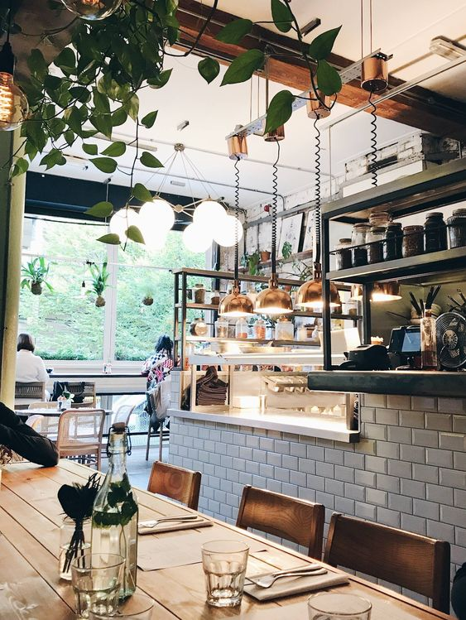
MEXICO RESTAURANT RATINGS PROJECT
Restaurant Ratings

Dashboard
Background This data set is about restaurant ratings by real consumers in 4 different cities of Mexico from 2012, comes in 5 raw data tables such as consumers, ratings, consumers preferences, restaurants and restaurants cuisines ; including details about each restaurant and their cuisines, and each consumer and their preferences.
Objective
The purpose of this project is to analyze customers' preferences based on geographics, occupation as well as evaluating the impact of different amenities/services on customers' ratings. Most importantly, what kind of actions restaurants can should take for their services to achieve the highest ratings.

Budget Preference By Customers' Geographics
 | Low | Medium | High
San Luis Potosi | 36% | 60% | 4%
Ciudad Victoria | 18% | 79% | 2%
Cuernavaca | 3% | 93% | 4%
Jiutepec | 13% | 87% | 0%
Occupation Vs Budget Level Preference
 | Low | Medium | High
Unemployed | 0% | 100% | 0%
Student | 34% | 62% | 4%
Employed | 0% | 100% | 0%

Regardless of geographics, majority of customers in all 4 cities prefer medium-ranged restaurants, most by around 90% of consumers from Cuernavaca and Jiutepec. Customers in San Luis Potosi are strong base of low-budget restaurants than those in any other cities and high-end restaurants are preferred by only 4% of customers living in Jiutepec and Ciudad Victoria.
Among three occupation segments, 100% of unemployed and employed ones fully prefer medium ranged restaurants so do 62% of students. 34% of students favor low ranged restaurants and high-end restaurants are fancied by only 4% of them.

Impact of different parking services on average overall rating and service rating
 | Average Overall rating | Average Service ratings
Public | 1.1483516484 | 1.021978022
None | 1.2032085561 | 1.0980392157
Yes | 1.2082262211 | 1.0925449871
Valet | 1.3448275862 | 1.3448275862
Impact of different alcohol services
 | Average Overall rating | Average Service rating
None | 1.1745406824 | 1.0498687664
Full Bar | 1.2625 | 1.1625
Wine & Beer | 1.2445141066 | 1.1692789969
Impact of different smoking areas
 | Average Overall rating | Average Service rating
Bar Only | 1.3684210526 | 1.3684210526
No | 1.1777003484 | 1.0801393728
Smoking Section | 1.2715517241 | 1.1034482759
Yes | 1.1836734694 | 1.1020408163

allows everywhere

Parking Service plays a critical role in earning high ratings from client. Restaurants with Public Parking got the lowest ratings, surprisingly having private parking and no-parking results in almost same ratings while restaurants with Valet service earns the highest ratings.
When it comes to alcohol, customers like restaurants that service full bar or partial with wine and beer more compared to no-alcohol restaurants.
Restaurants with no-smoking areas are least favored by customers with lowest ratings in overall and service in contrast to restaurants that allow smoking only in bar and smoking section getting highest ratings.

Impact of restaurant area on ratings
 | Average Overall Rating | Average Service Rating
Open | 1.1181102362 | 0.94488188976
Closed | 1.2098646035 | 1.1083172147
Impact of number of specialized cuisines on ratings
 | Average Overall rating | Average Food rating
1 | 1.2083916084 | 1.2573426573
2 | 1.2191780822 | 1.102739726
3 | 1.3333333333 | 1.25
not specified | 1.1631944444 | 1.1666666667

Recommended actions for restaurants to improve the rating
- Setting the price range to MEDIUM optimally
- Offering at least one specialized cuisine : the larger the variety, the higher the ratings.
- Allowing smoking only in specific areas of the restaurants (either in private smoking area or in bar)
- Offering alcohol service
- Having own parking lot (Providing valet is most preferred yet might not be feasible for all)
- Potential restaurant owners should consider locations in closed areas which might have less parking problems.

Customers tend to prefer restaurants with high number of specialized cuisines given that ones that offer 3 cuisine types earn the highest ratings while restaurants with no specific cuisine are at lowest.

Impact of Price Range on Ratings
 | Average Overall rating | Average Food rating | Average Service rating
Medium | 1.2530329289 | 1.2564991334 | 1.164644714
Low | 1.0742857143 | 1.1342857143 | 0.92
High | 1.2564102564 | 1.235042735 | 1.1623931624
Price Range Of Highest Rated Restaurants
High | 27%
Medium | 53%
Low | 20%

Middle-ranged restaurants are likely to earn high ratings in overall, food and service aspects similar to high-end ones. Obviously, service rating in cheap-eat ones are the lowest which may be caused by lack of trained staffs as well as amenities provided.
Looking at price range of highest-rated restaurants, more than 50% are in medium-ranged, followed by 27% high-end and 20% cheap-eat ones. Restaurant owners should consider this insight in order to optimize the ratings.

